Sheet1
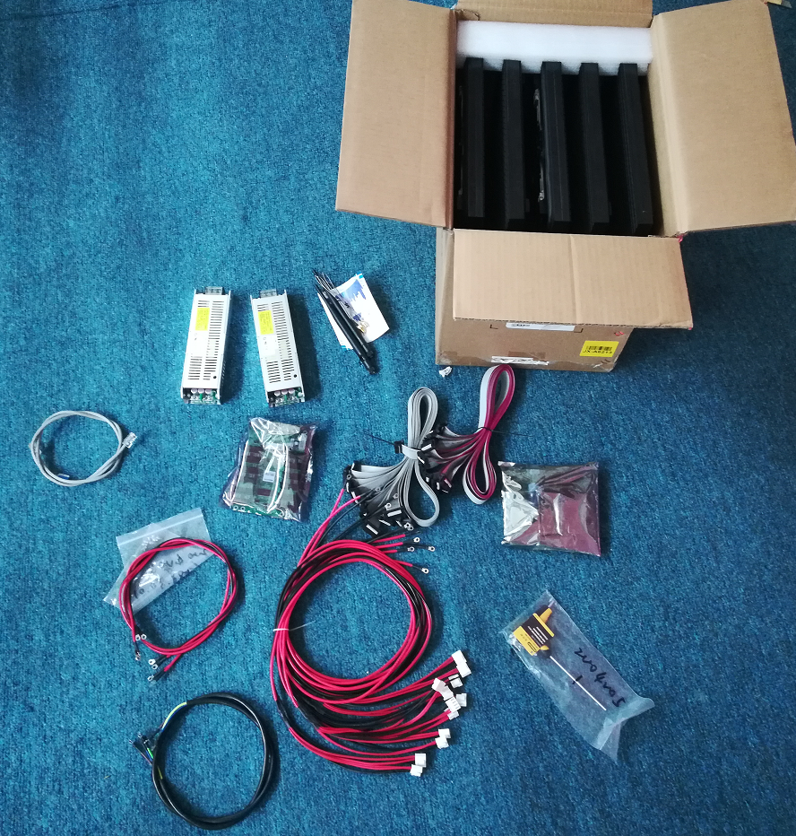
No. | Description | Type | Unit | QTY | Remarks
1 | LD-2004005-P10 outdoor Module | 320x320mm front service SMD | pcs | 5
2 | WiFi Card | T3 | pcs | 1
3 | Receiving Card | MRV336 | pcs | 1
4 | USB Disk |  | pcs | 1 | RCFGX files backup
5 | LED | SMD2727 | pcs | 20 | spare for repair
6 | Allen Key | 3mm | pcs | 1 | Front Service Tool
7 | Power Supply | VAT-UP300S-5-60L-A (5V60A(110V-220V) | pcs | 2
8 | Screw | PM3*6 | pcs | 8 | To fix power supply, WiFi Card, Receiving Card
9 | Flat Cable | 1M | pcs | 12 | Receiving Card to Modules, 2 spare
10 | DC Power Cable | 2.5m2, 1M | pcs | 6 | Power Supply to Modules, 2 spare
11 | DC Power Cable | 2*0.75m2, 1M | pcs | 2 | Power Supply to WiFi Card, Power Supply to Receiving Card,
12 | AC Power Cable | 3*0.75m2, 1M | pcs | 1 | inter power supply, PSU-PSU
13 | Net Cable | 1M | pcs | 1 | WiFi Card to Receiving Card
13
11
8
7
10
12
5
3
1
9
6
2

